Mass and energy flow
Mass/Energy balance | Brewery size: 250,000 hl | small to medium
Mashing and Lautering
 | Values | Theoretical minimum | Unit | Note
Milling
Input |  |  |  |  |  | Brewery size: 25,000 hl |  | small size to medium | 800,000-1,000,000 hl/year - medium size
Malted grain | 15.1 |  | kg/hl | Given in [1] |  | Total thermal energy consumption: 170 MJ/hl |  |  | 20,000 - 50,000 hl/year - small size
Hot water | 66.3 |  | kg/hl | Given in [1]
Hot water
Injection Mashing
Thermal energy | 42.1 | 19.3 | MJ/hl | Mash is heated from 10oC to 75oC, capacity of mash is 1.05 kJ/kg/K and capacity of malted grain is 1.59 kJ/kg/K [3] |  | Efficiency improvement methods already applied:
Hot water
Mash
Recovered heat from wort boiling | 14.7 |  | MJ/hl |  |  | [1] | Injection mashing instead of decoction mashing
Lautering
 |  |  |  |  |  | [2] | High gravity brewing
Brewhouse
Spent grain
Output |  |  |  |  |  | [3] | Heat exchanger applied in wort cooling process
Mash | 71.2 |  | kg/hl
Spend grains | 10.2 |  | kg/hl | Given in [1]
Wort pre-heating
Waste heat | 37.5 |  |  | Theoretical waste heat is 0.1 MJ/hl [1]

Wort boiling
Wort boiling
Input
Mash | 71.2 |  | kg/hl
Hops | 0.1 |  | kg/hl | Given in [1]
Wort cooling
Thermal energy | 39.2 | 13.9 | MJ/hl | Mainly it is water boiling and capacity is 4.1 KJ/kg/K. Temperature increases from 75oC to 100oC
Fermentation
Fermentation
Output
Wort | 64.5 |  | kg/hl | Given in [1]
Trub (debris) | 3.7 |  | kg/hl | Given in [1]
Bottle washing
Steam evaporation | 3.0 |  | kg/hl | Evaporation ratio ~ 4.2%
Hot water
Filling
Waste heat recovery for hot liquor tank | 14.7 |  | MJ/hl | Given in [1]
Beer processing
Unconvered waste heat | 43.8 |  | MJ/hl | Theoretical waste heat is about 6.6 MJ/hl with the heat for recovery [1]. In this step, wort is cooled down to room temperature and the waste heat is the sum from this step and from mashing

Hot water
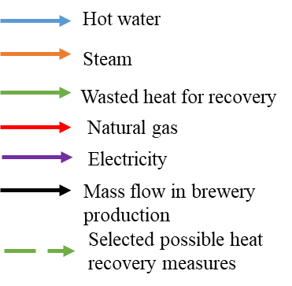
Pasteurization
Fermentation
Input
Wort | 64.5 |  | kg/hl
Water | 41.5 |  | kg/hl | Given in [1]

Labeling and packing
Output
Beer | 106.0 |  | kg/hl
Wasted heat (spontaneous) | 0.6 |  | MJ/hl | Given in [1], theoretical value

Simplified mass/energy model based on a typical UK brewery [1]
Beer filling
Input
Beer | 106.0 |  | kg/hl
Hot water for cleaning | 100.0 |  | kg/hl | Assuming the water used for cleaning is 1 L/L, (returnable glass bottle 1.3-3.5L/L, avg is 2.4L/L, non-retunable glass bottle 0.7-1.4, avg is 1 L/L) [13]
Thermal energy in hot water | 23.0 | 8.1 | MJ/hl | Water temperature from 51.7oC to 71 oC. Assumption: the thermal energy

Output
Beer | 106.0 |  | kg/hl
Waste water | 100.0 |  | kg/hl
Wasted heat | 23.0 |  | MJ/hl | waste heat for conditioning is 0.52 [1], this waste heat should be from hot water cleaning and pasteurization. Assume 60% of this waste heat comes from pasteurization and 40% comes from cleaning, theoretical value | In keg packaging the cleaning of kegs shows the largest hot water requirement and respectively a large waste water stream at significant temperature.

Pasteurization
Input
Beer | 106.0 |  | kg/hl
Hot water for pasteurization | 16.0 |  | kg/hl | 0.16 L/L for good practice, 0.08L/L for best practice [2]
Thermal energy | 65.7 | 9.2 | MJ/hl | Pasteurization temperature increases from 62oC to 82oC and keep it at 82oC for 15 min, heat capacity of beer is 4.18 KJ/kg/K | Pasteurization energy demand might range from 3 - 17 MJ/hl depending if flash or tunnel pasteurization is applied [4].

Output
Beer | 106.0 |  | kg/hl | beer density = 1060 kg/m3
Waste water | 16.0 |  | kg/hl
Wasted heat | 65.7 |  | MJ/hl | Theoretical value

Total thermal energy consumption | 170.0 | 50.5 | MJ/hl | 49.5-170 MJ/hl from literature
Total waste heat | 170.0
 |  | 42500000 | MJ

NG boiler
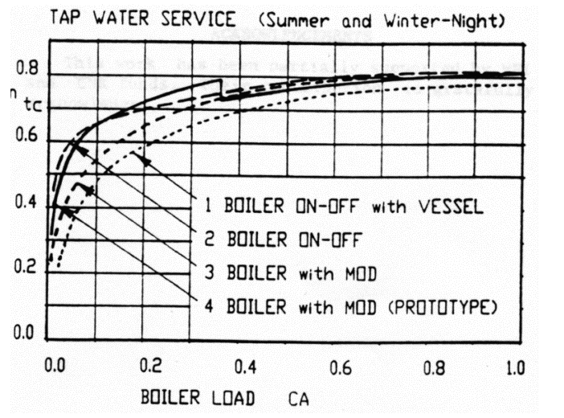
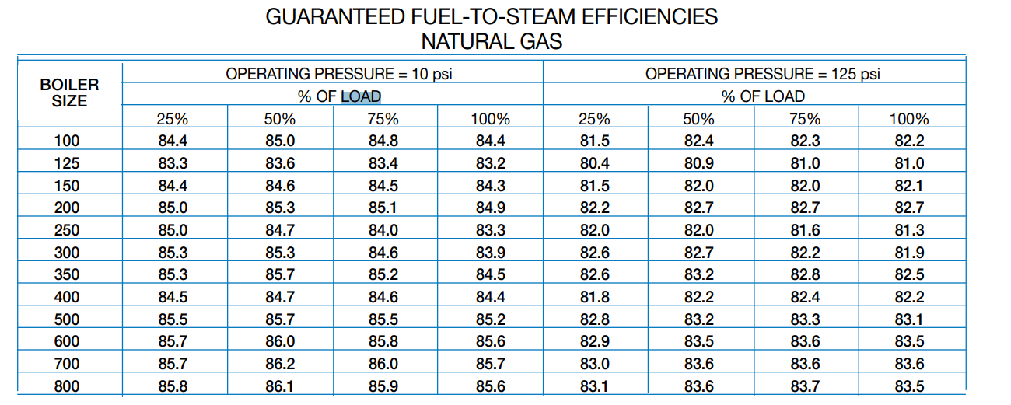
Ref: [15] |  |  |  |  |  | Efficiency, % |  |  | Partial load | Replacement ratio | Estimated efficiency | Without economizer
Table 7 |  |  |  | Partial load | [15] | [16] | [17] |  | 7% | 93% | 0%
 |  |  |  | 7% |  | 0 |  |  | 10% | 90% | 63%
 |  |  |  | 10% |  | 63 | 65 |  | 15% | 85% | 70%
 |  |  |  | 15% |  | 70 |  |  | 20.0% | 80% | 74%
 |  |  |  | 20.0% |  | 74 | 70 |  | 25% | 75% | 76%
 |  |  |  | 25% | 82.6 | 76 |  |  | 30% | 70% | 77%
 |  |  |  | 30% |  | 77 | 72 |  | 35% | 65% | 78%
 |  |  |  | 35% |  | 78 |  |  | 40% | 60% | 79%
 |  |  |  | 40% |  | 79 | 73 |  | 45% | 55% | 80%
 |  |  |  | 45% |  | 80 |  |  | 50% | 50% | 80%
 |  |  |  | 50% | 83.2 | 80 | 79 |  | 55% | 45% | 80%
 |  |  |  | 55% |  | 80 |  |  | 60% | 40% | 81%
 |  |  |  | 60% |  | 81 | 80 |  | 65% | 35% | 81%
 |  |  |  | 65% |  | 81 |  |  | 70% | 30% | 81%
 |  |  |  | 70% |  | 81 | 80 |  | 75% | 25% | 81%
 |  |  |  | 75% | 82.8 | 81 |  |  | 80% | 20% | 81%
 |  |  |  | 80% |  | 81 | 81 |  | 85% | 15% | 81%
 |  |  |  | 85% |  | 81 |  |  | 90% | 10% | 82%
 |  |  |  | 90% |  | 82 | 81 |  | 95% | 5% | 82%
Boiler size | BHp = boiler horsepower |  |  | 95% |  | 82 |  |  | 100% | 0% | 82%
 |  |  |  | 100% | 82.5 | 82 | 81

Natural gas boiler efficiency curve (7%-10%)
Natural gas boiler efficiency curve (20%-100%)
Ref: [16] |  | https://www.raypak.com/support/tech-corner/modulation/

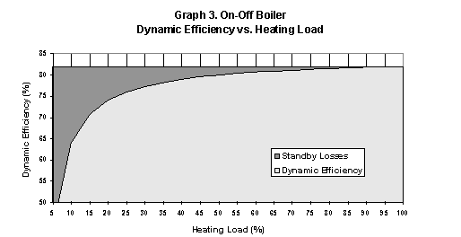

 |  |  |  |  |  |  |  |  |  |  |  |  |  | -0.1574
 |  |  |  |  |  |  |  |  |  |  |  |  |  | 0.2697
 |  |  |  |  |  |  |  |  |  |  |  |  |  | 0.7019
 |  |  |  |  |  |  |  |  |  |  |  |  |  | 0.8142

 |  |  | 7%<=partial load<=10% |  |  |  |  | 10%<partial load<=20% |  |  |  |  | 20%<partial load<=100%

Ref: [17]

